Introduction
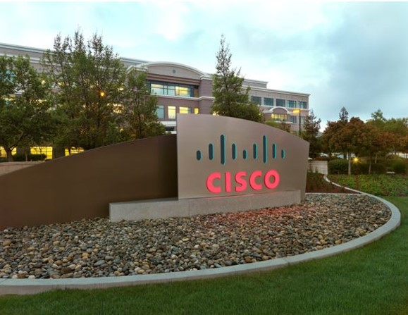

 | Product Security Advisory Impact Assessment Report

Prepared for: | Customer Name | ADP
 | Customer Contact
 | Customer Email
 | Customer Phone

Prepared by: | Cisco Contact | Zeeshan Qayyum
 | Cisco Email | zqayyum@cisco.com
 | Cisco Phone

DCP Reference:
Classification: | Cisco Confidential
PID:
Template Version:
EDCS:

Document History: | Date | Author | Version | Comments

Review History: | Date | Reviewer | Version | Comments

